DASHBOARD
 |  | 2025 SHEQ PERFOMANCE |  |  |  |  | 

Work Days since last LTI |  |  | Incident/Accident Information Board
75
 |  |  | Lost Time Injuries | QTY |  | QTY | Non-Lost Time Injuries

 |  |  | HEAD/FACE/CHIN |  |  |  | HEAD/FACE/CHIN

 |  |  | EYES |  |  |  | EYES

Previous Record | 284 |  | BODY/BACK |  |  |  | BODY/BACK

Date of Last LTI | 2025-10-31 |  | ARMS |  |  |  | ARMS

Department Involved | HAMMERS
 |  |  | HANDS |  |  | 1 | HANDS
YTD Total no of LTIs | LTIFR |  |  |  |  | Burnt finger while placing Axe trolley in oven.
2 | 1.363 |  | FINGERS | 1 |  | 2 | FINGERS
 |  |  | Club Hammer fell on left finger, Swelling. |  |  | -Cut finger while trimming axes. -Cut right index finger while putting on rubber protection on 1.8axe.

 |  |  | LEGS/KNEE | 1 |  |  | LEGS/KNEE
 |  |  | Pallet fell on right leg above ankle
 |  |  | FEET/ANKLE |  |  |  | FEET /ANKLE

 |  |  | MULTIPLE |  |  |  | MULTIPLE

 |  |  | TOTAL | 2 |  | 3 | TOTAL

Incident/Accident Information
Incident Category
 | Total
LTI | 2
First Aid | 0
LTIs/Month
 | Total
Jan | 0
Feb | 0
Mar | 0
Apr | 0
May | 0
Jun | 1
Jul | 0
Aug | 0
Sep | 0
Oct | 1
Nov
Dec

Body Part Injured
 | LTI
Foot | 1
Hand | 1
First Aid/Month
 | Total
Jan | 0
Feb | 0
Mar | 0
Apr | 0
May | 0
Jul | 0
Aug | 0
Sep | 0
Oct | 0
Nov | 0
Dec | 0

Injury/Dept
 | Total
HAMMERS | 1
Warehouse | 1
TIME LOST(Hrs)/Month
 | Total
Jan | 0
Feb | 0
Mar | 0
Apr | 1.92
May | 0
Jun | 12.76
Jul | 24.76
Aug | 23
Sep | 5.44
Oct | 14.08

Day of Incident
 | LTI
FRIDAY | 2

 |  | SHE MONTHLY STATS

YTD ALCOHOL TESTING STATS
YTD No of Positive Cases
 | Total
Total | 35
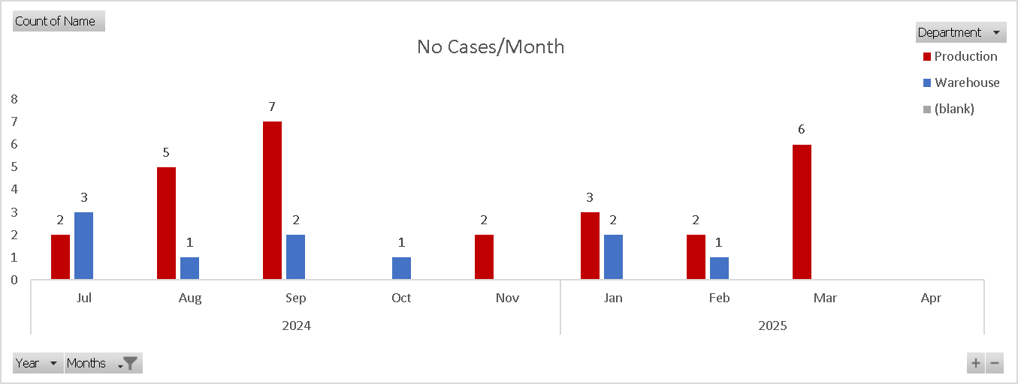

Department
 | Total
Production | 25
Warehouse | 10

SHE WA AUDIT STATS
OPEN VS CLOSED
 | CLOSED | OPEN
Total | 70 | 23
Closure Rate
Percentage Closed | 0.75268817204
 |  |  |  |  | NEXT AUDIT DATE



 |  |  |  |  | 2025-06-02
 |  |  |  |  | Steel Yard

Open Items/Area
 | Total
Factory | 10
Steel Yard | 5
Yard | 3
Drive way | 1
Petrol Store | 1
Consumable Stores | 1
Maintenance stores | 1
Tool Room | 1

 |  | QUALITY MONTHLY STATS

YTD QUALITY STATS
Performance
 | HAMMERS | IRON TOOLS | HANDLES
PRODUCED | 299339 | 169814 | 288090
SCRAP QTY | 1020 | 484 | 944
SCRAP% | 0.0034075078757 | 0.0028501772528 | 0.0032767537922
SCRAP VALUE | 100991.41 | 20273.46 | 19956.25

YTD QUALITY TOP 5
YTD TOP 5 HAMMER SCRAP/QTY
 | BAD.FRG | BAD.SCAL | CLW END.SHRT | DAM.EYE | MOULDING PROBLEM
Ham Claw 700g S/C Poly Handle | 13 | 0 | 2 | 0 | 0
Axe 0.9kg P/Handle yellow | 18 | 0 | 0 | 0 | 0
Ham Club 1.8kg S/C Soft Grip | 6 | 0 | 0 | 14 | 0
Ham Claw 500g Poly | 20 | 0 | 6 | 0 | 0
Ham Drill 1.8kg P/Handle Black | 40 | 13 | 0 | 0 | 0
TOP 5 IRON TOOL SCRAP/QTY
 | WL.DAM | BAD.FRG | BRKN.TIP
Chisel Flat Cold 25x350 | 4 | 7 | 4
Bar Tommy 20x600mm | 15 | 1 | 0
Bolst Electrician 55mm | 21 | 0 | 0
Bolster 100mm | 22 | 21 | 0
Chisel Flat Cold 25x300 | 51 | 0 | 0
TOP 5 HANDLE SCRAP/QTY
 | BRKN | PLSTC.MOULD.DEFECT | CRACK | POOR ASSMBLY
HDL Drill 1.8 kg CB Poly Black | 0 | 1 | 0 | 8
Hd Slasher | 0 | 0 | 0 | 9
HDL Axe 900g Poly N/C Yellow | 0 | 10 | 0 | 0
HDL Axe 1.8kg Poly S/C Yellow | 0 | 18 | 0 | 0
Hdl 1.1 Club Wood 250mm | 0 | 0 | 19 | 0
Hdl Rake Steel Plastic | 100 | 0 | 0 | 0

TOP 5 HAMMER SCRAP/VALUE
 | BAD.FRG | CRACKSF/fault | BAD.SCAL | DAM.EYE
Ham Claw 500g Poly | 1446.2 | 0 | 0 | 0
Ham Club 1.8kg S/C Soft Grip | 510 | 0 | 0 | 1190
Ham Spalling 6.3kg P/Handle Black CCL | 0 | 1794.95 | 0 | 0
Axe 0.9kg P/Handle yellow | 1951.02 | 0 | 0 | 0
Ham Drill 1.8kg P/Handle Black | 4573.2 | 0 | 1486.29 | 0
TOP 5 IRON TOOL SCRAP/Value
 | BAD.FRG | WL.DAM | BRKN.TIP | BENT/ OFFSET
Bolst Electrician 55mm | 0 | 355.52 | 0 | 0
Bar Crow 25x1800 | 565.68 | 0 | 0 | 0
Chisel Flat Cold 25x350 | 313.46 | 44.78 | 179.12 | 134.34
Bar Tommy 20x600mm | 53.57 | 803.55 | 0 | 0
Bolster 100mm | 1034.25 | 689.5 | 0 | 0
TOP 5 HANDLE SCRAP/VALUE
 | PLSTC.MOULD.DEFECT | BRKN | POOR ASSMBLY
HDL Drill 1.8 kg CB Poly Black | 15.38 | 0 | 123.04
HDL Axe 900g Poly N/C Yellow | 207.2 | 0 | 0
Hd Slasher | 0 | 0 | 366.39
HDL Axe 1.8kg Poly S/C Yellow | 941.4 | 0 | 0
Hdl Rake Steel Plastic | 0 | 1159 | 0

OVERALL HAMMER SCRAP TYPE CONTRIBUTION
 | Total
BAD.FRG | 0.67272727273
DAM.EYE | 0.13939393939
BAD.SCAL | 0.084848484848
CLW END.SHRT | 0.060606060606
CRACKSF/fault | 0.030303030303
WL.DAM | 0.012121212121
OVERALL IRON TOOL SCRAP TYPE CONTRIBUTION
 | Total
WL.DAM | 0.75
BAD.FRG | 0.19791666667
BRKN.TIP | 0.036458333333
BENT/ OFFSET | 0.015625
HANDLE SCRAP TYPE CONTRIBUTION
 | Total
BRKN | 0.58241758242
PLSTC.MOULD.DEFECT | 0.17582417582
CRACK | 0.14285714286
POOR ASSMBLY | 0.098901098901

CUSTOMER RETURN STATS
YTD Number of Returns
 | Total
SECATEUR | 40
SPREADER | 1
Pressure sprayer 1.25 L | 1
Bowsaw secateur combo | 1
Customer Return/Customer
 | Total
spiro Mica | 3
KOOPERASIE KAREEDOUW | 3
BEX Stellenbosch | 3
Tussen Brak Hardware | 2
FH Chamberlains Silverlakes | 2
Obaro Pretoria Wonderboom | 1
Brights Langebaan | 1
FH CHAMBERLAIN KYALAMI | 1
C Flynn mower and tool | 1
Coastal Farmers Umzinto | 1
Build It Sedgefield | 1
FH CHAMBERLAINS MONTANA | 1
Frank's Hardware | 1
AMPER ALLES MICA SILVERLAKES | 1
Bwh Centurion | 1
AFGRI RETAIL BALFOUR | 1
NWK PETIT | 1
OVK Somerset East | 1
NWK RANDFONTEIN | 1
Nwk Zeerust | 1
Nwk Econobuild Mafikeng | 1
Nwk Biesiesvlei | 1
Obaro Rustenburg | 1
Nwk Sannieshof | 1
buildit montagu | 1
MAREE RIVERSIDE MICA | 1
Builders Warehouse Boksburg | 1
Nwk Retail Lichtenburg | 1
Lifestyle Mica | 1
Build It Njhakanjhaka | 1
Vermeulens Build It Kimberley | 1
Tugela Hardware | 1
MEGA HARDWARE MIDDELBURG | 1
Three Rivers mica | 1
Hinterland Hartbeesfontein | 1
Handi In Bloemfontein | 1
(blank) | 0

Product Returned/Month
 | Total
Jul | 11
Aug | 9
Sep | 12
Oct | 4
Nov | 8

Firstaid
First Aid/Month
Incident Catergory | (Multiple Items)

Row Labels | Sum of Total
2025 | 0
Jan | 0
Feb | 0
Mar | 0
Apr | 0
May | 0
Jul | 0
Aug | 0
Sep | 0
Oct | 0
Nov | 0
Dec | 0
Grand Total | 0

LTIs.MONTH
LTI/Month
 | Total
Jan | 0
Feb | 0
Mar | 0
Apr | 0
May | 0
Jun | 1
Jul | 0
Aug | 0
Sep | 0
Oct | 1
Nov
Dec
Incident Catergory | (Multiple Items)

Row Labels | Sum of Total
2025 | 2
Jan | 0
Feb | 0
Mar | 0
Apr | 0
May | 0
Jun | 1
Jul | 0
Aug | 0
Sep | 0
Oct | 1
Nov
Dec
Grand Total | 2

